QUICK TIPS
ALL INVOICING AND BACKUP DOCUMENTATION MUST REFLECT ITEMIZED DETAIL OF PURCHASE, MAINTENANCE, OR SERVICE.

Do not send any of the following as this documentation cannot be used:
Sending this information slows down review response time as it has to be disposed of during review. In addition, your time is valuable so skipping this step allows you to move on to another task.
Purchase Orders
Copies of Checks
Bank Card Statements

A: Submit one monthly itemized invoice for each phone account.
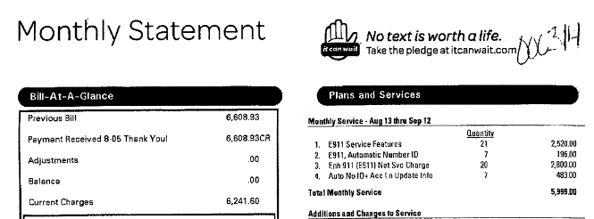

What are the service features?

B: If submitting an invoice with a generic description of service, milestone billing, or purchase, the itemized details (contract and/or statement of work reflecting what purchase or service is billed in each milestone) must be submitted with invoice.
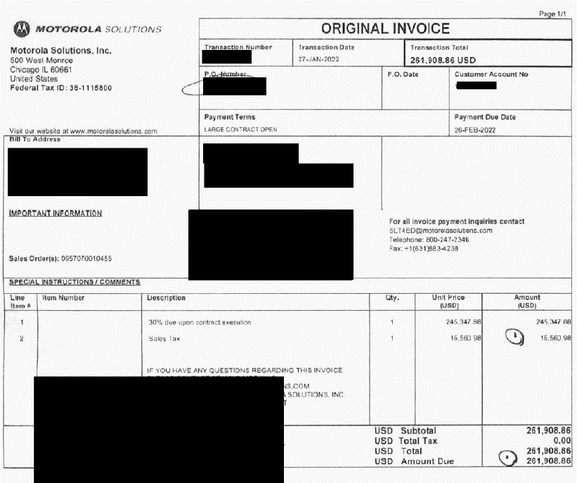

Billing of what?

This is the correct info to send for this invoice.

C: Provide travel expense documentation.

D: If invoices are provided having little detail, provide the 911 use or statement of work. For example, CAT5 cable; what is the 911 use?

E: If submitting expenditures for implemental functions you must include backup detail reflecting date, individual, rate, hours work, function category, and description of function(work) performed on eligible equipment.

F: If expense has been pre-approved for eligibility - submit all eligibility correspondence and documentation.

***ELIGIBILTY COMMENTS FOR SOFTWARE & HARDWARE ARE NOTED ON RESPECTIVE TABS. Please scroll over cells to review comments.

***The information provided on additional tabs represent items that are eligible and fall in-line with the Approved Use of Funds List. This list will continually be updated, so if an expense is not on the list contact staff for review.

TRAINING
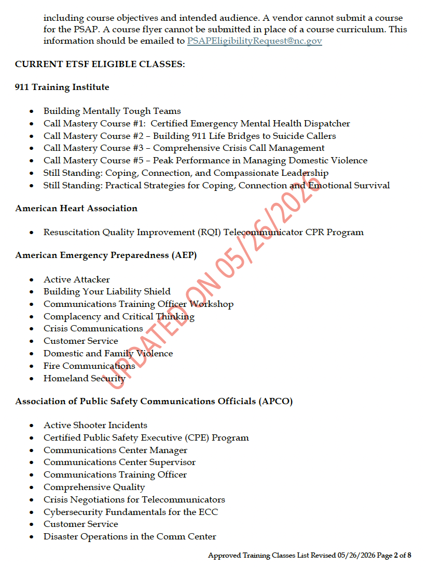
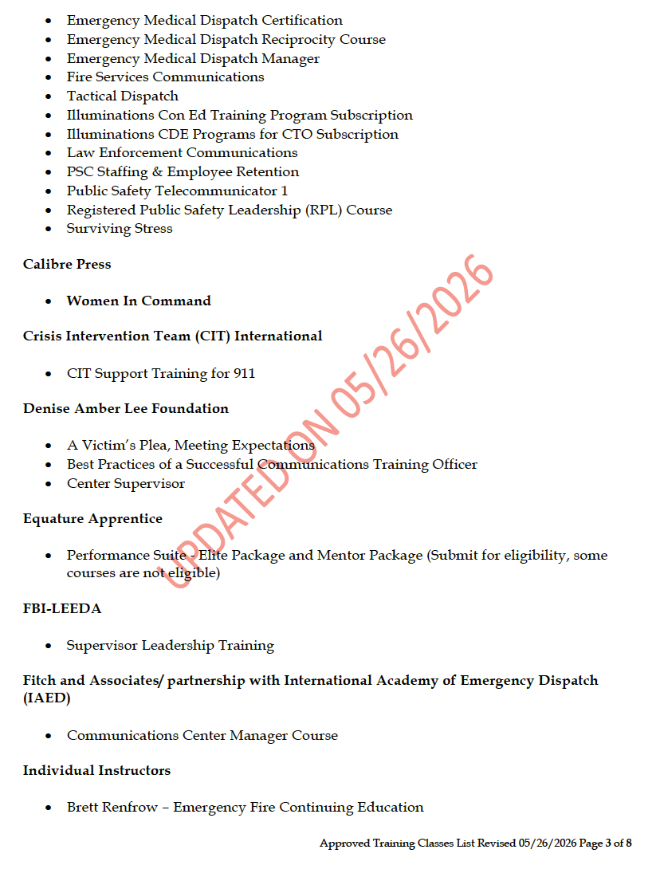
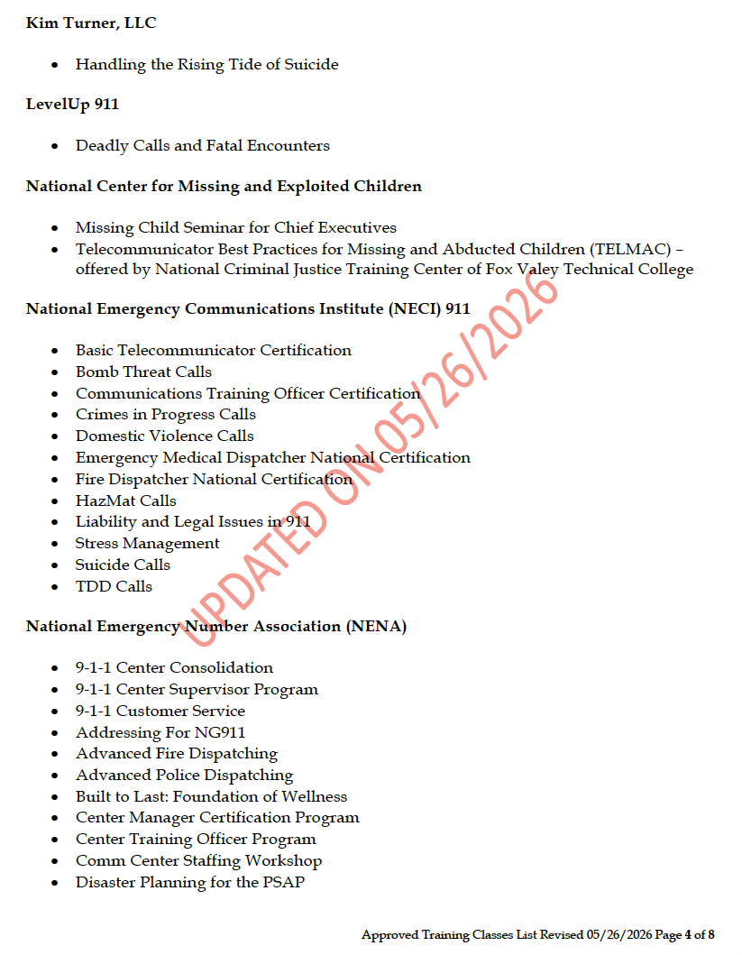
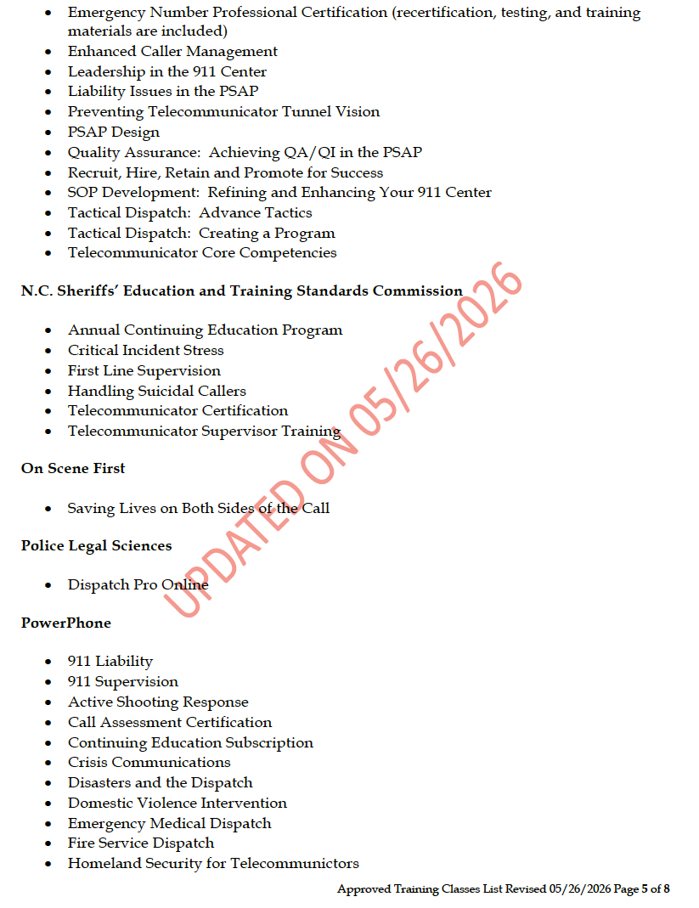
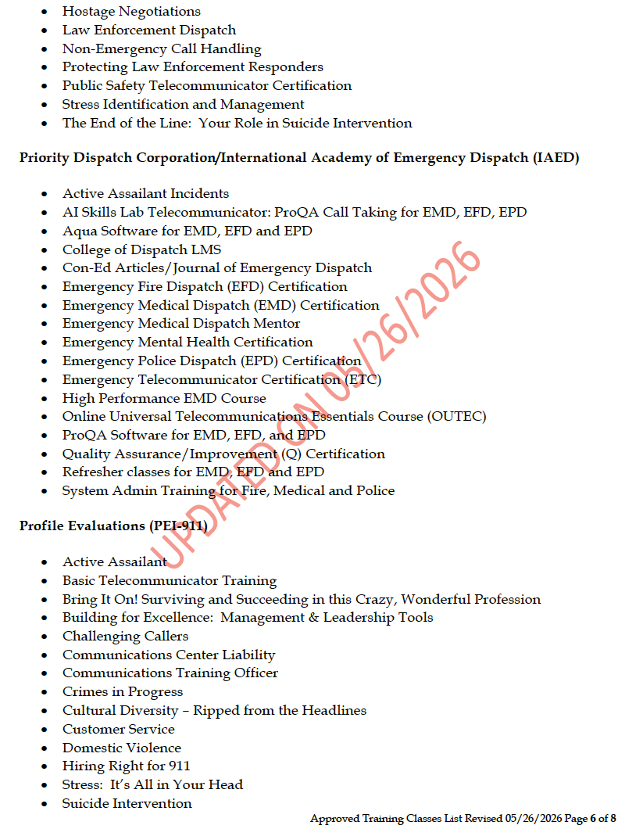
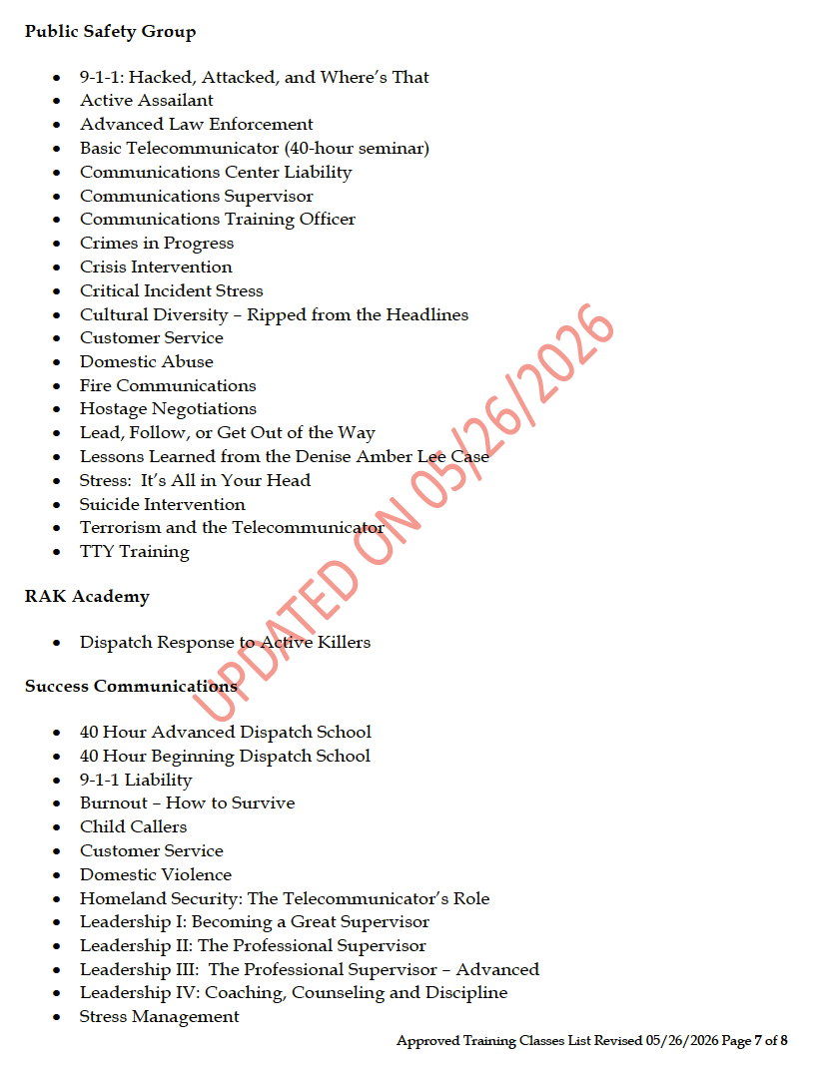
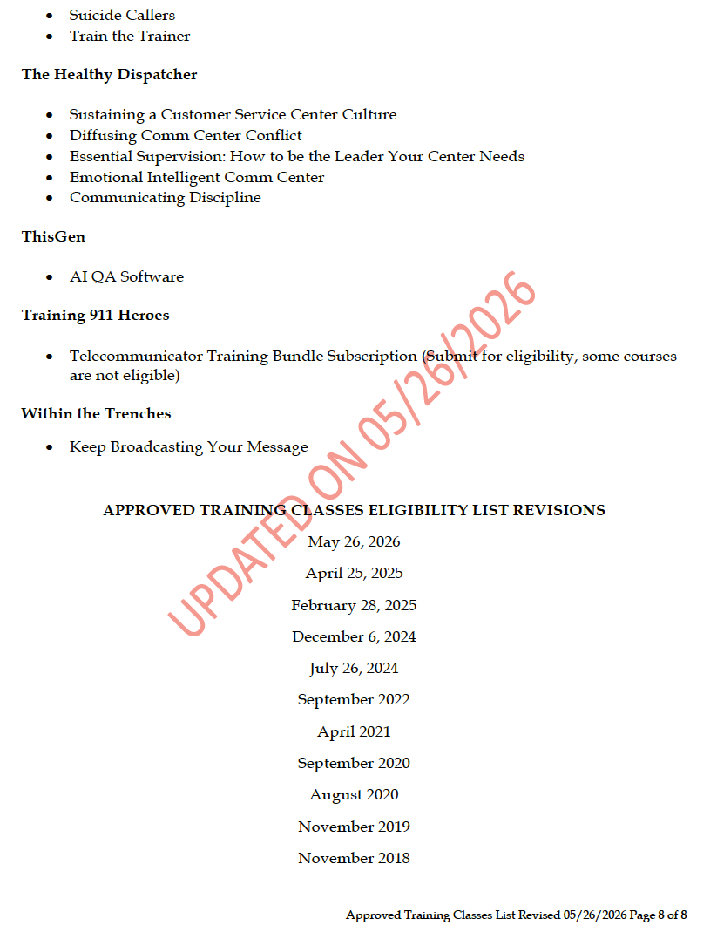
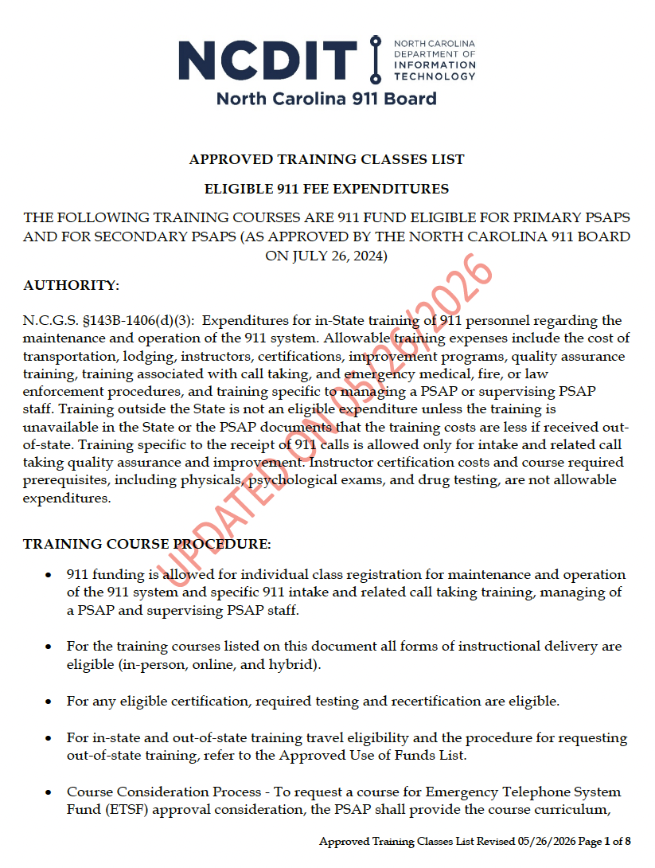
Approved Use of Funds List
911 funding is allowed for individual class registration for maintenance and operation of the 911 system and specific 911 intake and related call taking training, managing of a PSAP and supervising PSAP staff.

The NC 911 Board Approved Training Classes List is posted on the website and updated as new training classes are approved by the NC 911 Board.
Allowable travel expenses shall not exceed the local government or State of North Carolina per diem rates. Mileage is not reimbursable when municipal owned vehicles are used for transportation to and from eligible training.

Overnight lodging will be eligible for the number of the days of the class.
Conferences and association memberships are not eligible for use of Emergency Telephone Systems Funds (ETSF).

Per G.S. 143B-1406(d)(3) training outside the State is not an eligible expenditure unless the training is unavailable in the State or the PSAP documents that the training costs are less if received out-of-state. In order for out-of-state training to be considered for eligibility, the PSAP must use the guidelines below.

• Out-of-state training will be considered permissible if the class is not offered in North Carolina 90 days prior to, or 90 days after the scheduled out-of-state class.
• Out-of-state travel will be determined based on comparable expenditures for in-state travel.
• Allowable travel expenses shall not exceed the local government or State of North Carolina per diem rates and will not exceed 500 miles round trip.
• A PSAP that wishes to attend out-of-state training that is being offered 90 days prior or after the request, must seek a waiver to include the purpose of the training and the estimated cost to include course registration and per diem/travel expenses. The request shall be submitted to the PSAPEligibilityRequest@nc.gov email.

